PCA
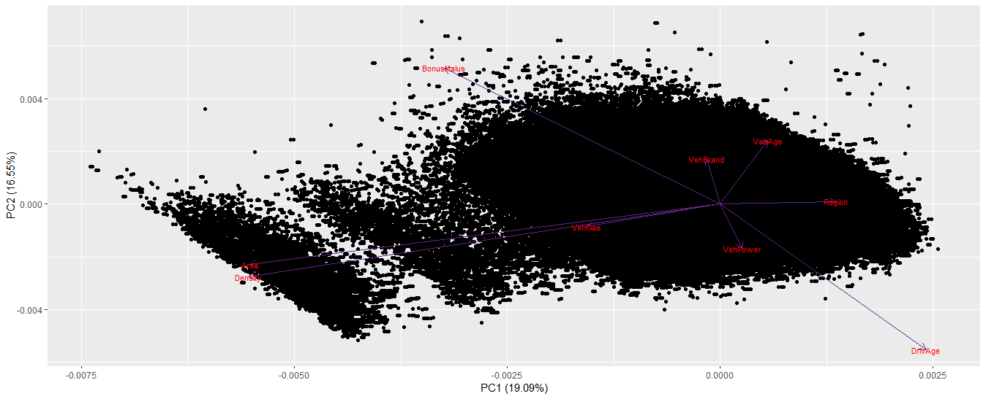
#Methodology of PCA - Visualization and Interpretation

 | Area VehPower VehAge DrivAge BonusMalus VehBrand VehGas
 | Min. :0.00 Min. : 4.000 Min. : 0.000 Min. : 18.0 Min. : 50.00 Min. : 0.000 Min. :0.0000
 | 1st Qu.:1.00 1st Qu.: 5.000 1st Qu.: 2.000 1st Qu.: 34.0 1st Qu.: 50.00 1st Qu.: 1.000 1st Qu.:0.0000
 | Median :2.00 Median : 6.000 Median : 6.000 Median : 44.0 Median : 50.00 Median : 3.000 Median :1.0000
 | Mean :2.29 Mean : 6.455 Mean : 7.044 Mean : 45.5 Mean : 59.76 Mean : 4.048 Mean :0.5101
 | 3rd Qu.:3.00 3rd Qu.: 7.000 3rd Qu.: 11.000 3rd Qu.: 55.0 3rd Qu.: 64.00 3rd Qu.: 6.000 3rd Qu.:1.0000
 | Max. :5.00 Max. :15.000 Max. :100.000 Max. :100.0 Max. :230.00 Max. :10.000 Max. :1.0000
 | Density Region
 | Min. : 1 Min. : 0.00
 | 1st Qu.: 92 1st Qu.: 4.00
 | Median : 393 Median :11.00
 | Mean : 1792 Mean :10.29
 | 3rd Qu.: 1658 3rd Qu.:17.00
 | Max. :27000 Max. :21.00

 | Standard deviations (1, .., p=9):
 | [1] 1.3108280 1.2202745 1.0709354 1.0412425 1.0118399 0.9562129 0.8702896 0.7105292 0.6009599

 | Rotation (n x k) = (9 x 9):
 | PC1 PC2 PC3 PC4 PC5 PC6 PC7 PC8 PC9
 | Area -0.60891039 -0.25229974 -0.028526080 0.17760380 -0.15273489 0.07730713 -0.2310950 -0.058748280 -0.668622109
 | VehPower 0.02807940 -0.18538822 -0.338631382 -0.50820658 -0.32395396 0.62465364 0.3024158 0.060978617 -0.039819134
 | VehAge 0.06163063 0.26528446 0.564368736 -0.36708927 -0.13252627 0.30694203 -0.6003076 -0.020139265 -0.002801253
 | DrivAge 0.26671329 -0.60944403 0.232190006 0.07795034 0.07105615 0.01303502 -0.1033808 0.692665011 -0.041979274
 | BonusMalus -0.35724806 0.56838229 -0.085829183 -0.05076586 -0.12930475 -0.09634592 0.1203719 0.706137685 0.015795032
 | VehBrand -0.01726064 0.18766724 0.176072152 0.53588271 0.37132927 0.68728995 0.1874068 0.029805728 0.006986937
 | VehGas -0.17304009 -0.09376502 0.675402992 -0.01118399 -0.34098376 -0.11813776 0.6011216 -0.112425979 0.027527877
 | Density -0.61071737 -0.30495158 -0.007515499 -0.05615060 0.13221624 0.07998443 -0.1610000 -0.021400050 0.693225692
 | Region 0.15054131 0.01064974 -0.132276395 0.52566791 -0.74883742 0.08627905 -0.2172653 -0.004844148 0.260712220

 | Importance of components:
 | PC1 PC2 PC3 PC4 PC5 PC6 PC7 PC8 PC9
 | Standard deviation 1.3108 1.2203 1.0709 1.0412 1.0118 0.9562 0.87029 0.71053 0.60096
 | Proportion of Variance 0.1909 0.1655 0.1274 0.1205 0.1138 0.1016 0.08416 0.05609 0.04013
 | Cumulative Proportion 0.1909 0.3564 0.4838 0.6043 0.7180 0.8196 0.90378 0.95987 1.00000

 | eigenvalue variance.percent cumulative.variance.percent
 | Dim.1 1.7182700 19.091889 19.09189
 | Dim.2 1.4890697 16.545219 35.63711
 | Dim.3 1.1469026 12.743362 48.38047
 | Dim.4 1.0841860 12.046512 60.42698
 | Dim.5 1.0238199 11.375777 71.80276
 | Dim.6 0.9143431 10.159368 81.96213
 | Dim.7 0.7574040 8.415600 90.37773
 | Dim.8 0.5048517 5.609464 95.98719
 | Dim.9 0.3611529 4.012810 100.00000

#PCA results for variables

Dim.1 Dim.2 Dim.3 Dim.4 Dim.5 Dim.6 Dim.7 Dim.8 |  | Dim.9
Area 0.6370861705 0.09478697 0.0009332774 0.034198598 0.023883617 0.0054644738 0.040449088 0.0017424253 |  | Area 1.614554e-01
VehPower 0.0013547747 0.05117753 0.1315167137 0.280016986 0.107445976 0.3567695267 0.069268630 0.0018772365 |  | VehPower 5.726308e-04
VehAge 0.0065265637 0.10479454 0.3653023271 0.146098980 0.017981568 0.0861433837 0.272945040 0.0002047628 |  | VehAge 2.833973e-06
DrivAge 0.1222308162 0.55307329 0.0618320421 0.006587791 0.005169243 0.0001553577 0.008094818 0.2422201957 |  | DrivAge 6.364450e-04
BonusMalus 0.2192962347 0.48105653 0.0084488287 0.002794134 0.017117980 0.0084874224 0.010974333 0.2517344365 |  | BonusMalus 9.010151e-05
VehBrand 0.0005119238 0.05244354 0.0355555897 0.311346011 0.141169846 0.4319059518 0.026601007 0.0004485009 |  | VehBrand 1.763051e-05

PCA results for individuals

